Instructions
Fakes on Trial

Use F9 to generate new trials of flipping a coin 50 times.

The results have beeen colour coded to help you identify streaks or runs of Heads or Tails
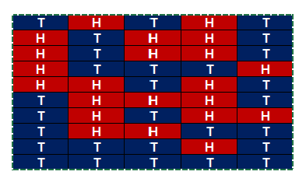

Highlight your results and use CTRL-C to copy

Right click in the top left corner of the data set and select Paste Values to save a copy of your results
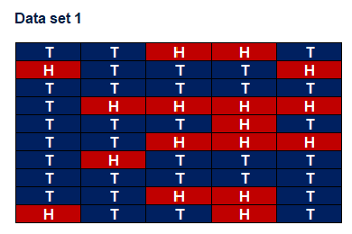

Generate a new trial and repeat for the other data sets.

