Instructions
The problem
I am going to toss a coin 20 times. Suppose that the first four tosses have been heads.
What do you expect from the next 16 tosses?
Student A: Believes I will get 10 heads and 10 tails, so I should expect 10 tails and 6 heads from the remaining 16 tosses.
Student B: Believes, for the remaining 16 tosses I will get 8 heads and 8 tails.
Who is correct?
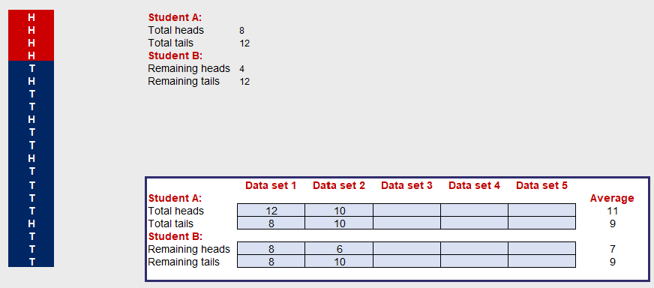
Continue to press the F9 to refresh the data until you have four Heads in a row (red section).
Copy the number of heads and tails into the appropriate column of the table.

Press F9 for a final time after entering Data set 5 to update the Average.

Class Data
Press F9 to update the data

Student A
Student B
 | Student A |  | Student B
 | Total Heads | Total Tails | Remaining Heads | Remaining Tails
Investigation 1 | 0 | 0 | 0 | 0
Investigation 2 | 0 | 0 | 0 | 0
Investigation 3 | 0 | 0 | 0 | 0
Investigation 4 | 0 | 0 | 0 | 0
Investigation 5 | 0 | 0 | 0 | 0
Investigation 6 | 0 | 0 | 0 | 0
Investigation 7 | 0 | 0 | 0 | 0
Investigation 8 | 0 | 0 | 0 | 0
Investigation 9 | 0 | 0 | 0 | 0
Investigation 10 | 0 | 0 | 0 | 0
Investigation 11 | 0 | 0 | 0 | 0
Investigation 12 | 0 | 0 | 0 | 0
Investigation 13 | 0 | 0 | 0 | 0
Investigation 14 | 0 | 0 | 0 | 0
Investigation 15 | 0 | 0 | 0 | 0

Average | 0.0 | 0.0 | 0.0 | 0.0
 | 0 | 0 | 0 | 0

